Lot status
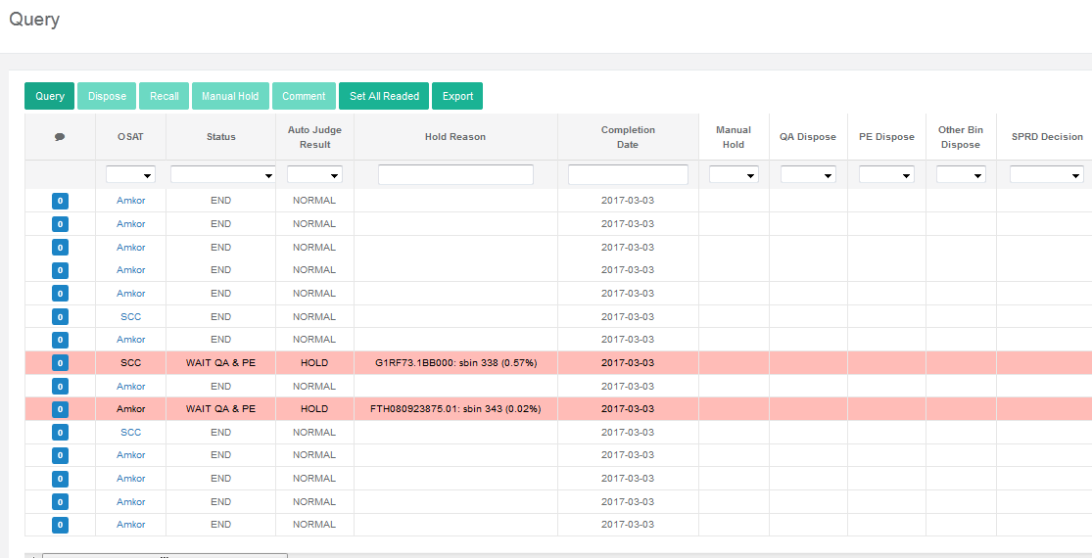
export
Last 1days/Last 3days/ All
Dispose Record export
SBL hold summary export
Title mark blue, info provided by MDS system
 |  | Lot Dispose |  |  |  |  |  |  |  |  |  |  |  |  |  | alarm by diff color when hold time>3days
 |  |  |  |  |  |  |  |  |  | Lastest comment |  | Lastest comment
Product Name | Device_code | OSAT | Lot Type | Lot_id | Status | Hold Reason | Qty. In | Yield | PE Dispose | PE Comment | QA Dispose | QA Comment | SPRD Decision | Test House Dispose | Completion Date
在做disposal之前由MDS系统自动带出，在做split后自动更新为hold的wf count数
黄色部分为details info中人为Keyin
SR3592 | 150104AC | *** | P | TNU777.00 | WAIT QA & PE |  | 23pcs | 99.04% | Hold |  |  |  |  |  | 2017-02-23
每一个栏位都可通过下拉框选择
 | 150104AC | *** | P | K18YK | WAIT QA & PE |  |  | 98.98% | Release |  |  |  |  |  | 2017-02-23
通过下拉框选择, 显示不同的内容
 | 150104AC | *** | P | K16Q8 | Wait PE |  |  | 98.57% | Ink&rls |  |  |  |  |  | 2017-02-22
 | 150104AC | *** | P | K16C4 | WAIT QA |  |  | 99.10% | Partial hold |  |  |  |  |  | 2017-02-22
默认显示24小时内被SBL hold住lot的所有wafer，但是也可以选择，最近三天或者所有的数据
 | 150104AC | *** | P | TNU769.00 | WAIT QA & PE |  |  | 99.45% | split&rls |  |  |  |  |  | 2017-02-22
 | 150104AC | *** | P | K16Q8 | WAIT QA & PE |  |  | 98.57% |  |  |  |  |  |  | 2017-02-22
 | 150104AC | *** | P | K16C6 | WAIT QA & PE |  |  | 99.14% |  |  |  |  |  |  | 2017-02-21
 | 150104AC | *** | P | G1CM11.1 | WAIT QA & PE |  |  | 0.00% |  |  |  |  |  |  | 2017-02-21
 | 150104AC | *** | P | TNG432.00 | WAIT QA & PE |  |  | 99.63% |  |  |  |  |  |  | 2017-02-21
 | 150104AC | *** | P | TNU777.00 | WAIT QA & PE |  |  | 99.03% |  |  |  |  |  |  | 2017-02-21
 | 150104AC | *** | P | K18Q0 | WAIT QA & PE |  |  | 98.80% |  |  |  |  |  |  | 2017-02-21 | Status=hold 整行用黄色标注
 | 150104AC | *** | P | TNG459.00 | WAIT QA & PE |  |  | 99.55% |  |  |  |  |  |  | 2017-02-20 | >3days 红色标注
 | 150104AC | *** | E | K16G7 | end |  |  | 99.10% |  |  |  |  |  |  | 2017-02-20 | >1day <3days橙色标注

Example pic

Wafer_Operation_page
Last 1days/Last 3days/ All
click hold/release/ink buttom to select wafer disposition, and when all wafer have been dispose, click confirm
release
ink&rls
hold
split&rls
每一个栏位都可通过下拉框选择
hold
release
ink&rls
split&rls
Product Name | Device_code | OSAT | Lot Type | Lot_id | wf_id | Status | Hold Reason | Yield | Completion Date | Selection | Comment
SR3592 | 150104_00 | *** | P | TNU777.00 | 01 | WAIT QA | FTH080926820.01: sbin 4420 (0.14%) | 99.04% | 2017-02-23
 | 150104_00 | *** | P | TNU777.00 | 02 | WAIT PE | FTH070923729.01: sbin 364 (0.07%), sbin 361 (0.05%) | 98.98% | 2017-02-23
hold
release
ink&rls
split&rls
 | 150104_00 | *** | P | TNU777.00 | 03 | Wait PE | FTH080923951.01: sbin 624 (0.40%) | 98.57% | 2017-02-22
hold
release
ink&rls
split&rls
 | 150104_00 | *** | P | TNU777.00 | 04 | WAIT QA | FTH080923937.01: sbin 361 (0.03%) | 99.10% | 2017-02-22
hold
release
ink&rls
split&rls
 | 150104_00 | *** | P | TNU777.00 | 05 | WAIT QA & PE | FTH080932207.01: sbin 4002 (0.08%) | 99.45% | 2017-02-22
hold
release
ink&rls
split&rls
 | 150104_00 | *** | P | TNU777.00 | 06 | WAIT QA & PE | FTH070923950.01: hbin 2 (0.11%), sbin 624 (0.24%) | 98.57% | 2017-02-22
hold
release
ink&rls
split&rls
 | 150104_00 | *** | P | TNU777.00 | 07 | WAIT QA & PE | FTH070923941.01: sbin 361 (0.03%) | 99.14% | 2017-02-21
hold
release
ink&rls
split&rls
Scrap
 | 150104_00 | *** | P | TNU777.00 | 08 | WAIT QA & PE | No data for this lot | 0.00% | 2017-02-21
Hold All
release all

默认显示24小时内被SBL hold住lot的所有wafer，但是也可以选择，最近三天或者所有的数据
Confirm

detail info
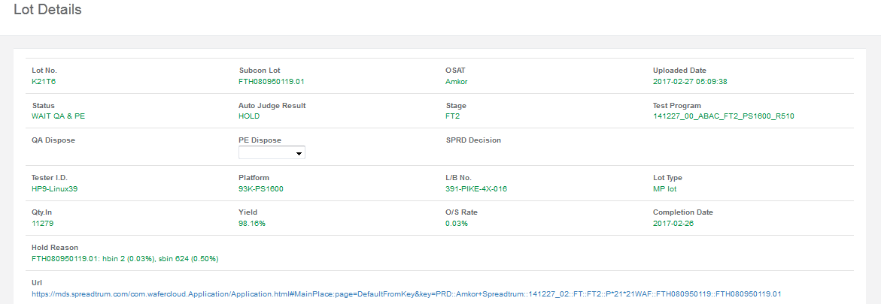
 | Lot No. | OSAT | Uploaded Date | Waiting time
 | K21T6
 | Status | Auto Judge Result | Stage | Test program

 | QA Dispose | PE Dispose | SPRD Decision

表格又上方可以选择是否用excel导出下表，button点击显示lot下每片wafer的wafermap，下表对现实Hardbin还是softbin的切换
 | Tester ID | Platform | L/B No. | Lot Type

 | Qty.In | yield | O/S fail rate | Vendor
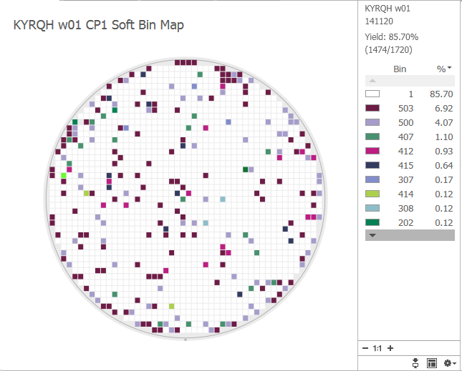
 | Hold Reason
不论哪个参数fail，用红色mark出来
鼠标接近后出现这片wafer的wafermap

 | Url
 | Link to MDS system(Whole lot WaferMap)
 |  |  |  |  |  |  | BinNumber+BinStatus+des
Device_id | Wafer_id | Program | Start Time | Total die count | Yield(%) | SBin1_P | SBin2_F | SBin3_F | SBin4_F_idle | SBin5_F | SBin6_F | SBin200 | SBin254 | SBin300 | SBin301
 |  |  |  |  |  | <99% | >1% | limit | limit | limit | limit | limit | limit | limit | limit
150104_00 | K21T6_01 |  |  | 1720
150104_00 | K21T6_02 |  |  | 1720
150104_00 | K21T6_03 |  |  | 1720
….. | …..
 |  |  |  | Total | avg(01~25) | avg(01~26) | avg(01~27) | avg(01~28) | avg(01~29) | avg(01~30) | avg(01~31) | avg(01~32) | avg(01~33) | avg(01~34) | avg(01~35)

 | Enter Comment | history在下面根据时间从最近到最远 comment list

在选中某些wafer为hold，通过颜色标识，以及Keep selection中的打勾表示某些wafer被hold住，其余wafer被release
 | Attach files
 | Browse from
 | Suspect Root cause(internal)

 | Submit

 | Example pic

request Item
Priority | des | Owner | Must （Y/N) | Difficulty | remark
P1 | 把目前现在邮件往来归类为系统层面统一管理 | MDS/Dev | Y
P1 | 在lot栏位点击某个lot，可查询lot基本信息，产品信息，生产厂商，测试厂商，test program, tester, 测试时间，wafer count, 等 | MDS/Dev | Y
P1 | 可查询lot状态，是否已经经过PE/QA处理，Testhouse后续是否已经处理，如何处理，可通过fliter对lot的状态，产品信息进行筛选或者导出整个table | MDS/Dev | Y
P1 | 对lot/Wafer如果做处理的初步信息在系统中可以直接提供(触犯了哪条SBL rule，Hardbin/Softbin fail rate%，limit, 如果违反直接标成红色, wafer map等信息） | MDS/Dev/茂朋 | Y | 1. MDS系统需要export Wafermap image， 2. 需要一个link直接link到这个lot的wafer map gallary图 3.目前MDS系统SBL rule是by wafer的，需MDS系统开发by lot的SBL rule （1. 在datalog中加入Total Wafer Count一栏，在导入MDS系统后，自动判定，是否导入wafer count=datalog中的Total Qty, 触发SBL 判断：(茂鹏，3.14）2. 如在导入第一片wafer后两个小时未传入所有的wafer count数，trigger alarm：Total wf count< ** pcs）
P1 | 对于lot hold的desposition，PE和QA有release, hold, partial hold, ink三种选择，不论先后处理的先后顺序 | MDS/Dev | Y | 1. 有四个lot despose栏位，PE/QA/SPRD/TestHouse, 其中PE，QA，Testhouse都需owner手动处理，SPRD则需系统自动判定。Rule:1. 不论PE或者QA任一选择Hold，SPRD一律为Hold，2. Hold comment为最后一次给的comment； 2.在detail info里，可以mutiply select多片wafer，根据trigger 的rule选择hold/Release各个wafer，如选择多片wafer hold住，在Lot status中自动变更为Partial hold，detail info中wafer保持不变，只对hold住的wafer行颜色进行变更，或者做其他的识别,直到对整卡lot每片wafer做release处理后才可把lot的status变为Release 3. 不论PE或者QA如果hold comment为Ink，rule和hold类似，统一把Status变为Wait for QA&PE dispose，直到ink off后，PE或者QA release整卡lot，则lot自动Release。
P3 | 对于lot hold时间的管理，>3days mark红色，>1day mark黄色 |  | N
P3 | 各个产品root cause的管理，在疑似相同signature的lot/Wafer，可以在界面，进行multiple selection，对产品进行root cause的归类分析/group |  | N
P2 | 产品处理，history的record的记录 （hold owner, dispose time, Waiting for dispose time, softbin fail rate（%)) |  | Y | 对于PE/QA处理的comment，在comment history里根据时间排列逐条记录，可追溯record(在lot status中，可根据当前filter的产品，filter的信息等，去导出hold history record, 包含的信息如下表格所示）
P3 | Hold lot summary table auto email system | Dev/Test House

Dispose Record export
Lot dispose comment history

Device_id | Lot_id | Series | Uploaded Date | Dispose time | Waiting Time | dispose owner | Comment

150104_00 | K21T6 | 1 |  |  | dispose time-uploaded time
150104_00 | K21T6 | 2
150104_00 | K21T6 | 3
150104_00 | K21T6 | 4
SBL hold summary export
Hold by bin summary

Device_id | Wafer_id | Trigger Alarm bin | SBL hold Time | Current status

150104_00 | K21T6_01 | 1007 | 2017-03-13 | Hold/Partial hold/Release
150104_00 | K21T6_01 | 1001
150104_00 | K21T6_03 | 2000
150104_00 | K21T6_04 | 3000

Flow
Test House datafile transfer to SPRD

datafile loading to MDS system

Trigger SBL rule
MDS系统把SBL处理的lot信息传送给LHD系统

N? | Y?

Release
Hold for QA/PE dispose

只有当PE和QA同时为Release，SPRD的hold status为Release,否则不论PE或者QA哪一方为Hold，lot状态为hold/Partial hold
只有当PE和QA同时为Release，SPRD的hold status为Release,否则不论PE或者QA哪一方为Ink，lot状态为Ink/Partial Ink

Hold

Ink
Scrap
Release

Release

LHD feedback dispose to Testhouse follow up action

MDS
LHD
CP House
SBL Setting
Manually
Configuration
SPRD PE
SPRD QA
XML/STDF upload to MDS
Function
SBL
recipe
Hold lot Trigger
MDS SBL to CP house
Link: SPRD comments

